HinksPix Output Settings Tab
 | HinksPix Long Range SMART Layout Sheet - 16 SPI / 14-Oct-2020
 |  |  |  | 16 SPI Output Long Range Board #1
 |  |  |  | 4 SPI Output Long Range Board #1 |  |  |  | 4 SPI Output Long Range Board #2 |  |  |  | 4 SPI Output Long Range Board #3 |  |  |  | 4 SPI Output Long Range Board #4
 |  |  | CAT5 Cable Pair # | CAT5 Cable #1 / Pair 1 |  |  |  | CAT5 Cable #1 / Pair 2 |  |  |  | CAT5 Cable #1 / Pair 3 |  |  |  | CAT5 Cable #1 / Pair 4
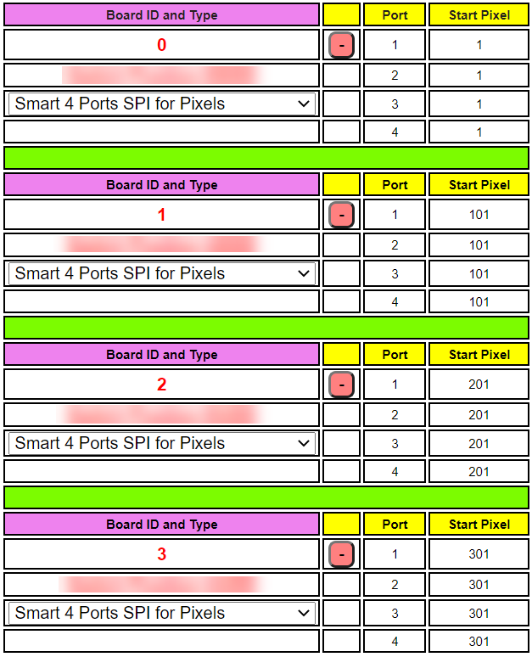
 |  |  | Pixels Per Pair of CAT5 Cable / LR Output Port >> | 400 |  |  |  | 400 |  |  |  | 400 |  |  |  | 400
 |  |  | Board ID >> | 0 |  |  |  | 1 |  |  |  | 2 |  |  |  | 3
Port 1 Controller Channel Start
1
1
16 SPI Output Cable # | 4 Output SPI Cable # | Port # | vv Pixels per Output vv | Port 1 Controller Channel Start | Port 1 Controller Channel End | Start Pixel # | End Pixel # | Port 2 Controller Channel Start | Port 2 Controller Channel End | Start Pixel # | End Pixel # | Port 3 Controller Channel Start | Port 3 Controller Channel End | Start Pixel # | End Pixel # | Port 3 Controller Channel Start | Port 3 Controller Channel End | Start Pixel # | End Pixel #
1 | 1 | 1 | 100 | 1 | 300 | 1 | 100
1
2 | 2 | 2 | 100 |  |  |  |  | 1201 | 1500 | 101 | 200
3 | 3 | 3 | 100 |  |  |  |  |  |  |  |  | 2401 | 2700 | 201 | 300
1
4 | 4 | 4 | 100 |  |  |  |  |  |  |  |  |  |  |  |  | 3601 | 3900 | 301 | 400
5 | 1 | 1 | 100 | 301 | 600 | 1 | 100
6 | 2 | 2 | 100 |  |  |  |  | 1501 | 1800 | 101 | 200
7 | 3 | 3 | 100 |  |  |  |  |  |  |  |  | 2701 | 3000 | 201 | 300
8 | 4 | 4 | 100 |  |  |  |  |  |  |  |  |  |  |  |  | 3901 | 4200 | 301 | 400
Port 2 Controller Channel Start
101
9 | 1 | 1 | 100 | 601 | 900 | 1 | 100
10 | 2 | 2 | 100 |  |  |  |  | 1801 | 2100 | 101 | 200
101
11 | 3 | 3 | 100 |  |  |  |  |  |  |  |  | 3001 | 3300 | 201 | 300
12 | 4 | 4 | 100 |  |  |  |  |  |  |  |  |  |  |  |  | 4201 | 4500 | 301 | 400
101
13 | 1 | 1 | 100 | 901 | 1200 | 1 | 100
14 | 2 | 2 | 100 |  |  |  |  | 2101 | 2400 | 101 | 200
101
15 | 3 | 3 | 100 |  |  |  |  |  |  |  |  | 3301 | 3600 | 201 | 300
16 | 4 | 4 | 100 |  |  |  |  |  |  |  |  |  |  |  |  | 4501 | 4800 | 301 | 400

Port 3 Controller Channel Start
201

201
1
400
1200
201

201

1201
400
2400

Port 3 Controller Channel Start
301
2401
400
3600
301

301
3601
400
4800
301

 | Notes:
 | This spreadsheet is designed to only configure up to one single 16 SPI Output Long Range Board OR up to four, 4 SPI Output Long Range Boards
 | At the time of this release (14-Jun-2020), the firmware for the HinksPix has not been updated to have a selection for 16 Long Range, instead select 4 output long range receivers in series.
 | Maximum of 680 pixels per wire pair or maximum of 2,720 pixels per CAT5 long range cable no matter how many receivers are on the cable daisy chained.
 | Maximum of 16 long range receivers per CAT5 cable / Long range output
 | The latest version of this spreadsheet can be found at:
 |  |  | https://www.holidaycoro.com/longrange

